Drafts
Links to review papers - needs to be related to public health, language barriers, etc. |  |  |  |  | LEGEND | Chinese Group | Azzy Xiang
The Relationship Between Limited English Proficiency and Outcomes in Stroke Prevention, Management, and Rehabilitation: A Systematic Review | https://pubmed.ncbi.nlm.nih.gov/35185760/ | Spanish Group 2 | Julia Laszcz |  | Not relevant | Inclusion Criteria
Hospital and Health System-Level Interventions to Improve Care for Limited English Proficiency Patients: A Systematic Review | https://pubmed.ncbi.nlm.nih.gov/30910471/ | Spanish Group 2 | Julia Laszcz |  | Maybe - good topic, maybe "cliche" |  | Relevance | Studies that address language barriers in public health or medical/clinical settings.
The Impact of Limited English Proficiency on Healthcare Access and Outcomes in the U.S.: A Scoping Review | https://pmc.ncbi.nlm.nih.gov/articles/PMC10855368/ | Spanish Group 2 | Julia Laszcz |  | High potential - unique but relevant |  | Population | Includes patients, healthcare professionals, or translators/interpreters in real-world clinical or community health environments.
Language barriers and patient safety risks in hospital care. A mixed methods study | https://www.sciencedirect.com/science/article/abs/pii/S0020748915000747?via%3Dihub | English Group 2 | Elizabeth Goberdhan |  |  |  | Context | Research conducted in low-resource settings, developing countries, or under-resourced populations within developed countries.
Implications of Language Barriers for Healthcare: A Systematic Review | https://pmc.ncbi.nlm.nih.gov/articles/PMC7201401/?utm_source=chatgpt.com | English Group 2 | Elizabeth Goberdhan |  |  |  | Study type | Primary research (qualitative, quantitative, or mixed methods)
Limited English Proficiency and Clinical Outcomes After Hospital-Based Care in English-Speaking Countries: a Systematic Review | https://pubmed.ncbi.nlm.nih.gov/35112283/ | English Group 2 | Elizabeth Goberdhan |  |  |  |  | Systematic reviews or meta-analyses (if providing unique insight or synthesis)
The effectiveness of workplace health promotion interventions on physical and mental health outcomes - a systematic review of reviews | https://pubmed.ncbi.nlm.nih.gov/31134284/ | Spanish Group 2 | Leilani Fernandez |  |  |  |  | Policy evaluations or implementation studies
Impact of professional interpreters on outcomes for hospitalized children from migrant and refugee families with limited English proficiency: a systematic review | https://pubmed.ncbi.nlm.nih.gov/32813387/ | Spanish Group 2 | Leilani Fernandez |  |  |  | Language | English
Limited English Proficiency and Perioperative Patient-Centered Outcomes: A Systematic Review | https://pubmed.ncbi.nlm.nih.gov/36066429/ | Spanish Group 2 | Leilani Fernandez |  |  |  | Publication Date | Published within the last 10 years (2015–2025) to ensure relevance
Do professional interpreters improve clinical care for patients with limited English proficiency? A systematic review of the literature | https://pubmed.ncbi.nlm.nih.gov/17362215/ | Spanish Group 2 | Leilani Fernandez |  |  |  | Peer-reviewed only
Implications of Language Barriers for Healthcare: A Systematic Review | https://pubmed.ncbi.nlm.nih.gov/32411417/ | Spanish Group 2 | Leilani Fernandez
Identifying and preventing medical errors in patients with limited English proficiency: key findings and tools for the field | https://pubmed.ncbi.nlm.nih.gov/24629098/ | Spanish Group 2 | Shishir Tallada |  |  | Exclusion Criteria
Mobilizing Breast Cancer Prevention Research Through Smartphone Apps: A Systematic Review of the Literature | https://pubmed.ncbi.nlm.nih.gov/31781525/ | Spanish Group 2 | Shishir Tallada |  |  |  | Studies focusing solely on machine translation or AI models without public health or clinical application
Communicating Effectively With Limited English Proficiency Patients: Incorporating Training on Working With Medical Interpreters in the Undergraduate Medical Curriculum | https://pubmed.ncbi.nlm.nih.gov/39759726/ | Spanish Group 2 | Shishir Tallada |  |  |  | Research unrelated to health outcomes, access to care, or communication in medical/public health settings
The Evidence‑Based Development of an Intervention to Improve Clinical Health Literacy Practice | https://pubmed.ncbi.nlm.nih.gov/32111050/ | Spanish Group 2 | Shishir Tallada |  |  |  | Studies on general education, non-clinical language learning, or linguistics without health applications
A systematic review and narrative synthesis of health literacy interventions among Spanish‑speaking populations in the United States | https://pubmed.ncbi.nlm.nih.gov/38926697/ | Spanish Group 2 | Shishir Tallada |  |  |  | Opinion pieces, editorials, commentaries, or conference abstracts without original data or analysis
Interpreter and LEP Patient Training for Clinical Students | https://bmcmededuc.biomedcentral.com/articles/10.1186/s12909-024-05173-z | Spanish Group 2 | Shishir Tallada |  |  |  | Non-English papers or those without accessible full text
Engaging limited English proficient and ethnically diverse low-income women in health research: A randomized trial of a patient navigator intervention | https://www.sciencedirect.com/science/article/abs/pii/S0738399119300382 | Spanish Group 2 | Shishir Tallada |  |  | Databases
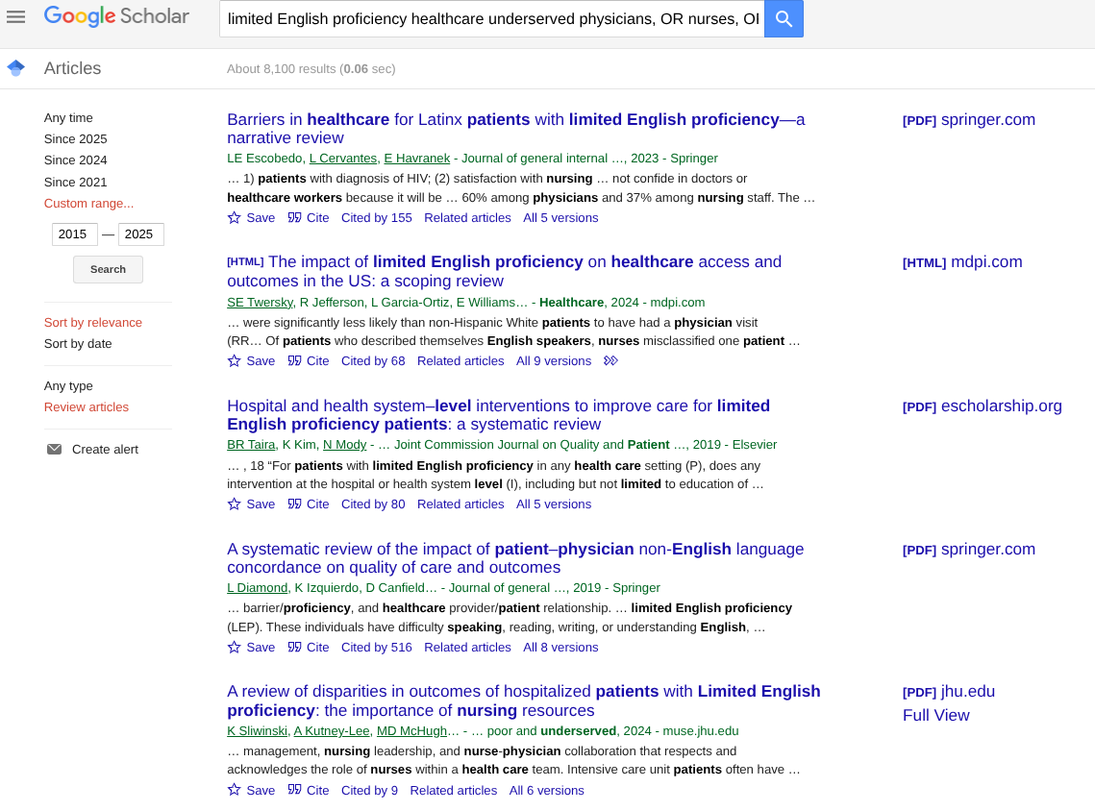
eHealth Intervention to Improve Adolescent Health Habits | https://pubmed.ncbi.nlm.nih.gov/33599616/ | Spanish Group 2 | Shishir Tallada |  |  |  | PubMed
The OPtimising HEalth LIterAcy (Ophelia) process: study protocol for using health literacy profiling and community engagement to create and implement health reform | https://pubmed.ncbi.nlm.nih.gov/25002024/ | Spanish Group 2 | Shishir Tallada |  |  |  | Google Scholar
Health Literacy Competencies for European Health Care Personnel | https://pmc.ncbi.nlm.nih.gov/articles/PMC6607779/ | Spanish Group 2 | Shishir Tallada |  |  |  | Web of Science
Language Barriers and the use of interpreters in the public health services. A questionnaire-based survey | pubmed.ncbi.nlm.nih.gov/20542656/ | English Group 2 | Mark Noonan |  |  | Search Terms
The impact of language barriers on the health care of Latinos in the United States: a review of the literature and guidelines for practice | pubmed.ncbi.nlm.gov/12019990/ | English Group 2 | Mark Noonan
Language Barriers in Appendicitis: What is the Cost? | pubmed.ncbi.nlm.nih.gov/40009870/ | English Group 2 | Mark Noonan
English Groups: |  |  |  |  |  |  | Required in article: limited English proficiency, healthcare, underserved
Sociodemographic disparities in health literacy among American adults: A national survey study | https://www.sciencedirect.com/science/article/pii/S2211335525002189?via%3Dihub |  |  |  |  |  | Require at least one in article: physicians, OR nurses, OR workers, OR patients
Early use of professional interpreters improves trauma outcomes: Results of a single-center retrospective study | https://pmc.ncbi.nlm.nih.gov/articles/PMC11470466/ |  |  |  |  | Filters
A multi-language qualitative study of limited English proficiency patient experiences in the United States | https://www.sciencedirect.com/science/article/pii/S2772628223000572 |  |  |  |  |  | Date Range: 2015–2025
Limited English Proficiency and Sepsis Mortality by Race and Ethnicity | https://www.jmir.org/2025/1/e60699 |  |  |  |  |  | Language: English
Linguistic Disparities in Health Care Access and Health Status Among Older Adults | https://pmc.ncbi.nlm.nih.gov/articles/PMC1924691/ |  |  |  |  |  | Document Type: Journal articles, reviews
Interpreter services and effect on health | https://www.ncbi.nlm.nih.gov/articles/PMC9932446/ |  |  | English Group | Denzel Sakyi Jr. |  | Subjects: Human subjects
Implications of Language Barriers for Healthcare |  | https://www.ncbi.nlm.nih.gov/articles/PMC7201401/ |  |  | English group Denzel Sakyi Jr. | Results (20)
Artificial intelligence in clinical settings | https://atm.amegroups.org/article/view/132363/html |  |  | English Group | Denzel Sakyi Jr. | Google Scholar | https://link.springer.com/article/10.1007/s11606-022-07995-3
 |  |  |  |  |  |  | https://www.mdpi.com/2227-9032/12/3/364
 |  |  |  |  |  |  | https://www.sciencedirect.com/science/article/pii/S1553725018305488
 |  |  |  |  |  |  | https://link.springer.com/article/10.1007/s11606-019-04847-5
 |  |  |  |  |  |  | https://muse.jhu.edu/pub/1/article/919823/summary
 |  |  |  |  |  |  | https://link.springer.com/article/10.1007/s10903-018-0816-4
 |  |  |  |  |  |  | https://muse.jhu.edu/pub/1/article/892258/summary
 |  |  |  |  |  |  | https://www.publish.csiro.au/hc/hc18067
 |  |  |  |  |  |  | https://journals.lww.com/nursingmanagement/fulltext/2018/04000/Strategies_for_overcoming_language_barriers_in.7.aspx
 |  |  |  |  |  |  | https://link.springer.com/article/10.1007/s11606-017-4237-1
 |  |  |  |  |  |  | https://journals.lww.com/jbisrir/fulltext/2020/07000/Impact_of_professional_interpreters_on_outcomes.2.aspx?context=FeaturedArticles&collectionId=2
 |  |  |  |  |  |  | https://www.sciencedirect.com/science/article/pii/S0738399118305676
 |  |  |  |  |  |  | https://link.springer.com/article/10.1007/s40615-024-02003-2
 |  |  |  |  |  | Web of Science | https://pubmed.ncbi.nlm.nih.gov/38357223/ | Limited English proficiency and reported receipt of colorectal cancer screening among adults 45-75 in 2019 and 2021
 |  |  |  |  |  |  | https://pubmed.ncbi.nlm.nih.gov/27579909/ | Convenient Access to Professional Interpreters in the Hospital Decreases Readmission Rates and Estimated Hospital Expenditures for Patients With Limited English Proficiency
 |  |  |  |  |  |  | https://pubmed.ncbi.nlm.nih.gov/39803952/ | Bilingual Perspectives of Functional Dyspepsia Management in People From Underserved Areas
 |  |  |  |  |  |  | https://pubmed.ncbi.nlm.nih.gov/38216230/ | Venciendo la Depresión: A Pilot Study of Telehealth-Delivered Behavioral Activation for Depressed Spanish-Speaking Latinxs
 |  |  |  |  |  |  | https://pure.psu.edu/en/publications/first-year-open-enrollment-findings-health-insurance-coverage-for | First Year Open Enrollment Findings: Health Insurance Coverage for Asian Americans and the Role of Navigators
 |  |  |  |  |  |  | https://pubmed.ncbi.nlm.nih.gov/33764795/ | The FDA's Diverse and Dynamic Activities in the Social and Behavioral Sciences: Advancing and Supporting Health Equity
 |  |  |  |  |  |  | https://pubmed.ncbi.nlm.nih.gov/40176391/ | Interpreter use in telehealth genetic counseling sessions

 |  |  |  |  |  |  | Link | Title | Justification
 |  |  |  |  |  | Final 5 papers | https://pubmed.ncbi.nlm.nih.gov/40176391/ | Interpreter use in telehealth genetic counseling sessions | This paper should be included in our team’s systematic literature review because it directly addresses a critical and underexplored gap in genetic counseling: equitable telehealth care for patients with Limited English Proficiency (LEP). While prior studies have identified barriers such as interpreter limitations and counselor training gaps, this study uniquely examines the strategies that experienced genetic counselors actively employ in real-world telehealth contexts, offering practical, replicable approaches that extend beyond identifying problems to providing solutions. Its qualitative design allows for rich thematic insights into counselor learning pathways and adaptive strategies before, during, and after interpreted appointments, which are highly relevant given the post-pandemic expansion of telehealth services. Despite its recent publication, the study remains novel because it intersects two rapidly evolving areas, telehealth delivery and equity in genetic counseling, where best practices are still emerging and urgently needed. By capturing the lived experiences and adaptive strategies of practicing counselors, this paper provides forward-looking guidance that can inform training, policy, and clinical practice, ensuring it contributes meaningfully to our review’s goal of identifying actionable ways to reduce disparities in genetic counseling access and quality.
 |  |  |  |  |  |  | https://pubmed.ncbi.nlm.nih.gov/38357223/ | Limited English proficiency and reported receipt of colorectal cancer screening among adults 45-75 in 2019 and 2021 | This paper is a strong candidate for inclusion in our systematic literature review because it provides robust, population-level evidence on disparities in colorectal cancer (CRC) screening among adults with Limited English Proficiency (LEP), an area where inequities remain poorly addressed in practice. By leveraging nationally representative data from the 2019 and 2021 National Health Interview Surveys, the study quantifies not only screening prevalence but also the role of healthcare provider recommendations, highlighting structural and communication gaps that contribute to screening disparities. Its findings that adults with LEP are significantly less likely to be up-to-date with CRC screening and far less likely to receive a recommendation from a healthcare professional underscore systemic inequities that persist despite updated screening guidelines. Although published in the past few years, the study’s contribution remains highly novel as it captures the early impact of the 2018 guideline change lowering the screening age to 45 and provides a rare intersectional look at how both language proficiency and age influence uptake. This makes it a valuable addition to the literature, offering both epidemiologic insights and practical implications for interventions to improve screening equity.
 |  |  |  |  |  |  | https://pubmed.ncbi.nlm.nih.gov/38216230/ | Venciendo la Depresión: A Pilot Study of Telehealth-Delivered Behavioral Activation for Depressed Spanish-Speaking Latinxs | This paper should be included in our systematic literature review because it addresses the intersection of mental health disparities, Limited English Proficiency (LEP), and the expanding role of telehealth in reaching underserved populations. By focusing specifically on Spanish-speaking Latinxs (SSLs), who face well-documented barriers such as stigma, transportation challenges, and language inaccessibility, the study contributes novel evidence on the feasibility and acceptability of delivering Behavioral Activation (BA) via telehealth. Its findings, that SSL participants not only experienced significant improvements in depressive symptoms and positive affect but also maintained these gains at follow-up, offer compelling preliminary support for telehealth as a culturally responsive intervention platform. Although it is a recent feasibility study with a small sample, its novelty lies in demonstrating the adaptability of empirically supported treatments like BA to virtual delivery for SSLs, a population historically underrepresented in clinical trials. This makes the paper highly relevant for our review, as it highlights both practical strategies and future research directions for reducing behavioral health inequities through technology-enabled care.
 |  |  |  |  |  |  | https://pubmed.ncbi.nlm.nih.gov/39803952/ | Bilingual Perspectives of Functional Dyspepsia Management in People From Underserved Areas | This paper is well-suited for inclusion in our systematic literature review because it provides much-needed qualitative insights into how patients with functional dyspepsia (FD), particularly those from underserved areas (UAs) and with Limited English Proficiency (LEP), experience barriers to care. While most research on disorders of gut-brain interaction focuses on symptom severity or treatment efficacy, this study shifts attention to patient perspectives, highlighting how even mild FD symptoms can significantly impair quality of life when compounded by psychosocial stressors and adverse social determinants of health. By incorporating Spanish-speaking participants and bilingual analysis, the study underscores the critical role of language in accessing care, making it especially relevant for understanding equity gaps in gastrointestinal health. Despite its recent publication, the novelty lies in its dual focus on FD and health disparities, a relatively unexplored intersection that informs both future research and clinical education interventions. Its findings emphasize the importance of culturally and linguistically tailored approaches to shared decision-making in GI care, making it a valuable contribution to our review.
 |  |  |  |  |  |  | https://pubmed.ncbi.nlm.nih.gov/33764795/ | The FDA's Diverse and Dynamic Activities in the Social and Behavioral Sciences: Advancing and Supporting Health Equity | This paper deserves inclusion in our systematic literature review because it establishes a broad, conceptual framework for understanding and addressing health disparities, explicitly identifying Limited English Proficiency (LEP) as a key factor shaping unequal health outcomes. Unlike narrowly focused clinical studies, it highlights the multifactorial roots of disparities, biological, social, and structural, and emphasizes the importance of social and behavioral sciences in developing effective, multilevel interventions. Its relevance to LEP lies in showing how language barriers intersect with socioeconomic status, cultural values, and policy-level inequities to create compounding disadvantages in healthcare access and outcomes. By detailing how agencies like the FDA integrate social and behavioral sciences into evidence-based policy and practice, this paper provides a systems-level perspective that complements more population- and condition-specific studies in our review. Even though it takes a higher-level lens, its inclusion is valuable for situating LEP-related disparities within the broader equity landscape and underscoring the need for multifaceted strategies that address both structural barriers and individual patient experiences.

English Group - Wesley Yuen | https://pmc.ncbi.nlm.nih.gov/articles/PMC4943579/ | Changes in Research on Language Barriers in Health Care Since 2003: A Cross-Sectional Review Study
English Group - Wesley Yuen | https://onlinelibrary.wiley.com/doi/10.1002/nop2.733 | Culturally tailored interventions for ethnic minorities: A scoping review
English Group - Wesley Yuen | https://www.jstor.org/stable/pdf/48708793.pdf?casa_token=JQ3uH48PFq4AAAAA:Dh0TV7gbxeLcWvRDGrCwJdMZN7Ac1mO30G9oCgpJ-v3HeOQ_Vy20I7FLiAehABCoHhcRZdyI6-2_pozisE_lCPF5pnzYNSkbIcrbp5-5xDTe5NxDjA | Conceptualizing the Pathways and Processes Between Language Barriers and Health Disparities: Review, Synthesis, and Extension
English Group - Wesley Yuen | https://pdfs.semanticscholar.org/4b19/1360c8ded7c32fa8358d8a5762daf02e9da1.pdf | Data-driven approaches to bridging the gap in health communication disparities: A systematic review
English Group - Wesley Yuen | https://pmc.ncbi.nlm.nih.gov/articles/PMC2875675/pdf/nihms197824.pdf | The Impact of Disasters on Populations With Health and Health Care Disparities
English Group - Wesley Yuen | https://link.springer.com/article/10.1186/s12939-021-01582-4 | A systematic review of racial/ethnic and socioeconomic disparities in COVID-19
English Group - Wesley Yuen | https://onlinelibrary.wiley.com/doi/full/10.1111/j.1468-0009.2011.00622.x?casa_token=B2zMPGtRPckAAAAA%3AJuF-dfRECCm7k7itO3jMUzrlY3LhslrbRnEPEjuxQxcv4uzq5HWgsEunesRe--r5RhyEUGknm7ZWBw | Maximizing the Impact of Systematic Reviews in Health Care Decision Making: A Systematic Scoping Review of Knowledge-Translation Resources
English Group - Wesley Yuen | https://www.sciencedirect.com/science/article/pii/S0022214304000952?casa_token=GqUzZUHUE2AAAAAA:vCIXS2uxYAPtxkM5wNJoNLw4HHz4hxRoBs8FjjX9-4qm8fWoUg26B8h_B1jCzKBNPstrvIcO | Medical decision-making and healthcare disparities: the physician's role
English Group - Wesley Yuen | https://pmc.ncbi.nlm.nih.gov/articles/PMC4151477/pdf/nihms616435.pdf | Racial Healthcare Disparities: A Social Psychological Analysis
English Group - Wesley Yuen | https://www.researchgate.net/profile/Julie-Silver-4/publication/337016110_Disparities_in_Health_Care_for_Hispanic_Patients_in_Physical_Medicine_and_Rehabilitation_in_the_United_States_A_Narrative_Review/links/5fcf8aa492851c00f85dbb92/Disparities-in-Health-Care-for-Hispanic-Patients-in-Physical-Medicine-and-Rehabilitation-in-the-United-States-A-Narrative-Review.pdf | Disparities in Health Care for Hispanic Patients in Physical Medicine and Rehabilitation in the United States
English Group - Wesley Yuen | https://onlinelibrary.wiley.com/doi/pdf/10.1002/pmrj.12509?casa_token=O9Pvd7_Z4jgAAAAA:-7UTxpCr3wMd2vuoO_1__O1rMepmY6BruyEHKQHipoRWnwEqbcsZJ-hyZrHfdNgL-peRrCsFCvA7Xw | Disparities in Health Care for Black Patients in Physical Medicine and Rehabilitation in the United States: A Narrative Review
English Group - Wesley Yuen | https://www.tandfonline.com/doi/abs/10.3402/ijch.v66i3.18254 | Understanding barriers to health care: a review of disparities in health care services among indigenous populations
English Group - Wesley Yuen | https://www.acpjournals.org/doi/full/10.7326/M23-2960 | The Impact of Health Care Algorithms on Racial and Ethnic Disparities: A Systematic Review
English Group - Wesley Yuen | https://www.frontiersin.org/journals/public-health/articles/10.3389/fpubh.2021.629041/full | Physician–Patient Language Discordance and Poor Health Outcomes: A Systematic Scoping Review
English Group - Wesley Yuen | https://link.springer.com/article/10.1186/s12939-020-01223-2 | The safety of health care for ethnic minority patients: a systematic review
English Group - Wesley Yuen | https://link.springer.com/article/10.1007/s11606-022-07995-3 | Barriers in Healthcare for Latinx Patients with Limited English Proficiency—a Narrative Review
English Group - Wesley Yuen | https://jamanetwork.com/journals/jamanetworkopen/fullarticle/2807136 | Association of Language Barriers With Perioperative and Surgical Outcomes
English Group - Wesley Yuen | https://onlinelibrary.wiley.com/doi/abs/10.1197/S1069-6563(03)00487-1 | Racial and Ethnic Disparities in the Clinical Practice of Emergency Medicine
English Group 2 - Patricia St. Fleur | https://pmc.ncbi.nlm.nih.gov/articles/PMC8323079/ | Rethinking the Term “Limited English Proficiency” to Improve Language-Appropriate Healthcare for All
English Group 2- Patricia St. Fleur | https://pubmed.ncbi.nlm.nih.gov/31147980/ | A Systematic Review of the Impact of Patient-Physician Non-English Language Concordance on Quality of Care and Outcomes
Language barriers and patient safety risks in hospital care. A mixed methods study | https://www.sciencedirect.com/science/article/abs/pii/S0020748915000747?via%3Dihub | English Group 2 | Elizabeth Goberdhan
Implications of Language Barriers for Healthcare: A Systematic Review | https://pmc.ncbi.nlm.nih.gov/articles/PMC7201401/?utm_source=chatgpt.com | English Group 2 | Elizabeth Goberdhan
Limited English Proficiency and Clinical Outcomes After Hospital-Based Care in English-Speaking Countries: a Systematic Review | https://pubmed.ncbi.nlm.nih.gov/35112283/ | English Group 2 | Elizabeth Goberdhan
Impacts of English language proficiency on healthcare access, use, and outcomes among immigrants: a qualitative study | https://bmchealthservres.biomedcentral.com/articles/10.1186/s12913-021-06750-4 | English Group 2 | Tiana Tran
Overcoming Language Barriers in Health Care: Costs and Benefits of Interpreter Services | https://ajph.aphapublications.org/doi/full/10.2105/AJPH.94.5.866 | English Group 2 | Tiana Tran
Language Barriers in the Clinic Could Harm Children's Health | https://magazine.hms.harvard.edu/articles/language-barriers-clinic-could-harm-childrens-health | English Group 2 | Tiana Tran
Effects of limited English proficiency and physician language on health care comprehension | https://pubmed.ncbi.nlm.nih.gov/16117746/ | English Group 2 | Nhi Tran
The need for more research on language barriers in health care: a proposed research agenda | https://pubmed.ncbi.nlm.nih.gov/16529570/ | English Group 2 | Nhi Tran
A Systematic Review of the Impact of Patient-Physician Non-English Language Concordance on Quality of Care and Outcomes | https://pubmed.ncbi.nlm.nih.gov/31147980/ | English Group 2 | Nhi Tran
Language barriers and their impact on provision of care to patients with limited English proficiency: Nurses' perspectives | https://pubmed.ncbi.nlm.nih.gov/29193568/ | English Group 2 | Nhi Tran
Understanding the Challenges of Language Barriers in Healthcare | https://journalisslp.com/index.php/isslp/article/view/56 | English Group 2 | Baahira Akber
Strategies for overcoming language barriers in healthcare | https://pmc.ncbi.nlm.nih.gov/articles/PMC8697718/ | English Group 2 | Baahira Akber

Pilot analysis
Pilot testing agreement analysis

Instructions:
Read the title and abstract, then identify whether to exclude or include the paper based on the provided inclusion/exclusion criteria. |  |  |  | Inclusion criteria: |  | *A few clarifications were made regarding criteria specifications
Provide explanation on why you think disagreement on including the paper happened (ex. unclear criteria). |  |  |  | English language
Propose a refined criteria if necessary. Each intern only needs to do one paper. Take the paper that is in the first empty row available. |  |  |  | Relevance to LEP population
 |  |  |  | Published from 2000 onward for relevance
These are the 5 papers that interns had disagreements in: |  |  |  | Quantitative studies only (can be qualitative, as long as they include quantitative studies)
(1) Translation and validation of the Dari version of the hospital survey on patient safety culture for healthcare settings in Afghanistan |  |  |  | Controlled comparisons only (study is comparative in some way or highlights differences)
(2) Validation of the eHealth literacy scales: comparison between the shorter and longer versions |  |  |  | Hospital or inpatient / system-based settings, outcomes with patient safety, disparities, or patient-physician interactions for LEP patients
(3) Digital health literacy and use of patient portals among Spanish-preferred patients in the United States: a cross-sectional assessment
(4)The missing strategy in addressing language barriers |  |  |  |  |  | *Duplicate data and full text access were removed, as they will be processed in later review stages
(5) Umbrella review of social inequality in digital interventions targeting dietary and physical activity behaviors

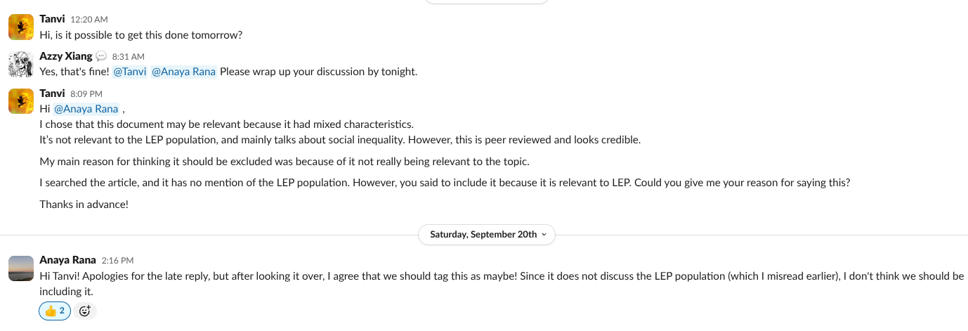
Paper Number | Intern's Name | Decision (Exclude, Include, or Maybe) | Explanation |  | Pilot testing discussion
#1 | Elizabeth Goberdhan | Exclude | The paper did not have a patient outcome, and looked like a validation study, not a controlled comparison one. It also focuses mainly on surveys not LEP population.
#2 | Leilani Fernandez | Exclude | This paper should be excluded because it doesn't meet all inclusion criteria. It doesn't focus on the English language or LEP communities due to the study described being performed in Greek. It's only generalizable to a small extent as it only covers a Greek audience. This study also doesn't contain patient outcomes, it mainly demonstrates how eHealth tools can be effective in the future through literacy and comprehension of the online sphere.
#3 | Melina Lian | Maybe | The study meets most inclusion criteria: it is peer-reviewed, published recently, uses a quantitative comparative design (LEP vs non-LEP Spanish-preferred patients), and examines disparities in patient-physician interaction through digital health literacy and portal use. The main limitation is the setting -- while system-based (Mayo Clinic), it is not specific to inpatient or hospital care, instead focusing more on outpatient portal access.
#4 | Sydney Martinez | Exclude | This paper is a recommendation piece for health systems and policymakers, not a research study presenting empirical data. It lacks the core components of a research study, such as a methodology, a sample size, and patient outcomes, which are essential for inclusion. Specifically, it fails to meet the inclusion criteria for being a quantitative or qualitative study with numerical data and for including controlled comparisons. Furthermore, it meets several exclusion criteria, as it's not a research study, doesn't provide patient outcomes, and lacks a sample size, making its insights non-generalizable.
#5 | Angelina Chan | Exclude | The paper examines social inequalities but does not specifically address the LEP population. The setting for the paper seems to be more community settings rather than being specific to hospital or inpatient settings.
#2 | Sharanya Mulinti | Exclude | Although the article does meet some of the inclusion criterias, such as: year published, quantitative study, and has more than 50 people's responses, it should be excluded because it doesn't meet many of the inclusion criteria. This article does not follow the English Language criteria and is not relevant to the LEP which makes it not suitable. A lot of the study findings are in Greek too.
#3 | Varsha Balaji | Maybe | This is a peer-reviewed, quantitative analysis comparing Spanish LEP and non-LEP populations in the US health system. It addresses disparities in patient-physician interactions. it is a recent study and has quantitative data. Howeber, the outcomes are limited to outpatient portals rather than in-patient/hospital care.
#4 | Sandra Elgizooli | Exclude | This study is a commentary summarizing issues and recommending policies based off of other studies. While the studies it references are quantitative, this study is neither quantitative nor qualitative—it doesn't present actually outcome data from the studies it references. I think there was a disagreement on this point because the study does reference quantitative, comparative studies to backup its policy recommendations; however, it doesn't actually present data. We can refine the inclusion criteria to specify that the study must include original data collection or references data from the studies it includes (primary research study). Maybe we can even exclude commentary pieces all together. Additionally, there was no sample and no controlled comparisons, since there was no data collected.
#5 | Rowan Fisher | Exclude | This study does not meet the criteria for focusing on a LEP population when it adresses social inequity, additionally, it adresses digital interventions and not inpatient ones. I believe the disagreement came from the fact that the study does usue quantitative metrics to attempt to understand inequity in medicine, but not in our target population
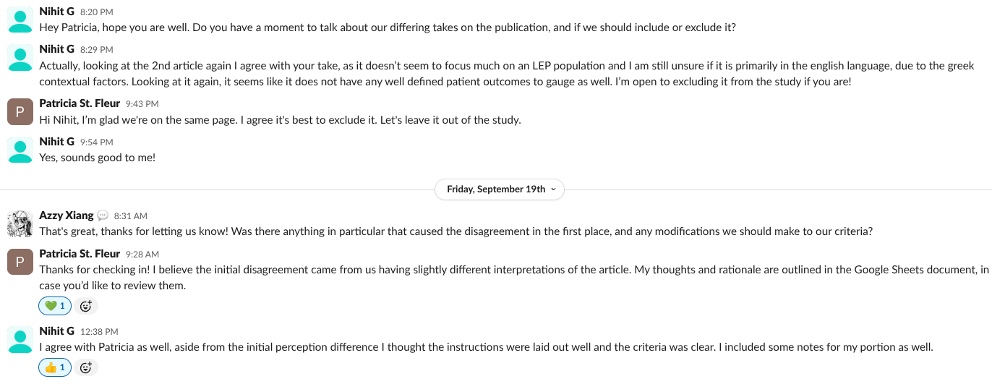
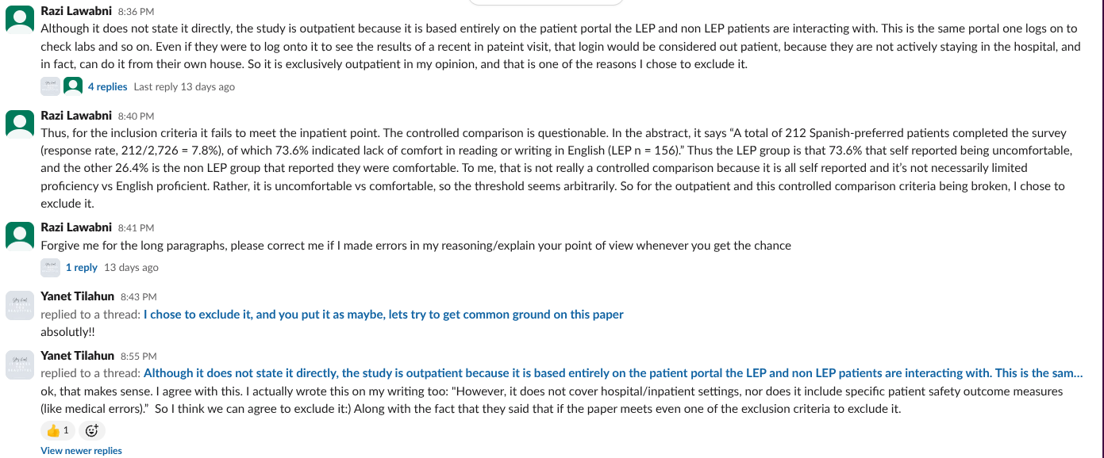
#1 | Antarjot Kaur | exclude | It meets few criterias like being in English, a quantitative, hospital-based, and peer-reviewed study, but it does not involve LEP populations, does not include controlled comparisons, and does not measure patient outcomes (only tool validation).
#2 | Rimsha Mughal | Exclude | This paper should be excluded because it doesnt not meet the inclusion criteria. The study validates greek versions of the scales , the study is in greece and uses greek translations and samples therefore does not follow the english language criteria. The study does not really show an relavence to LEP, it doesn't indicate that the participants are LEP vs english speaking. The study also does not use hospital or in patient based settings it instead uses a sample from the general population( greek internet users/survey). The outcomes of this paper arre about psychometric properties of scales
#3 | Tiana Tran | Include | This study checks off most inclusion criteria. It was published in 2024, focused on spanish-preffered individuals who has limited english proficiency, Spanish speakers with LEP vs without LEP were compared on measured of digital health literacy. The one factor that might lead others to believe this abstract should not be used is the setting it took place in. The setting is a multi-state healthcare practice/patient portal offered by a large health system (Mayo Clinic, etc). It is a system-based setting. but not exclusively focused on inpatient hospital care. It is a more general healthcare system/outpatient portal usage.
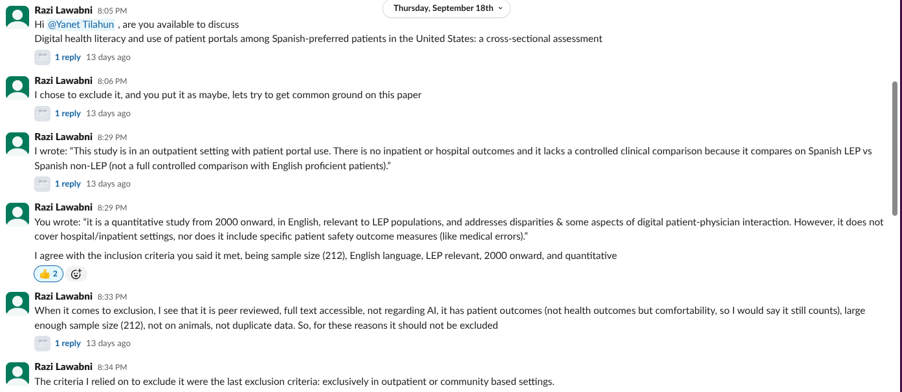
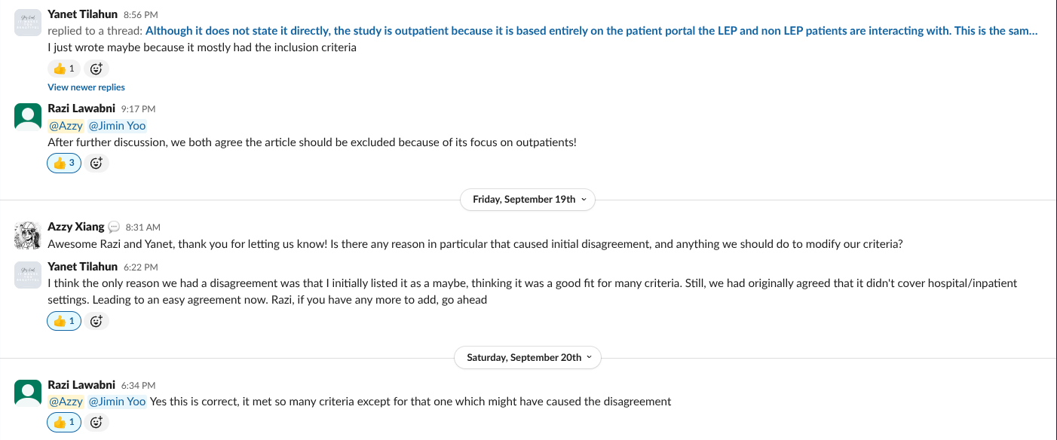
#5 | Shaaron D | Exclude | While this paper does correlate to some of the criteria, it does not include LEP populations. In addition, this study did not focus on cases and results from a hospital or inpatient setting.
#1 | Benjamin Fei | Exclude | Does not involve LEP populations, does not include control groups, and looked like a validation study | No relevance to LEP population
#2 | Jalen Li | Exclude | The reason it's exclude is this study is about validating eHealth literacy measurement sacles in the general population. It is not focused on LEP patients, so I think it does not meet the incclusion criteria.
#3 | Mia Resnick | Exclude | Fails to meet inclusion criteria as well as includes exclusion characteristics. Study is explicitly cross-sectional in nature, aiming to asses prevalence rather than causality. There does exist comparison of LEP to non-LEP with regard to needing help with digital resources. Exclusion is necessary since scope is limited to patient portals, classifying it as outpatient setting despite being based in hospital system setting (Mayo Clinic). Study also fails to address patient outcomes in a clinical sense, focusing on accesibility rather than effects of difficulty.
#4 | Hazel Dam | Exclude | Because no data was collected, this piece does not include a sample or any controlled comparisons. Instead, it serves primarily as a commentary, pulling from prior studies to discuss issues and recommend policy changes. The sources it relies on are largely quantitative, which may explain why there was some disagreement about how to categorize it. However, even though it points to statistical and comparative research, it never actually presents or analyzes the data itself. For that reason, it doesn’t fit cleanly into either quantitative or qualitative research. To avoid this kind of confusion, it might help to revise the inclusion criteria so that only primary research—studies that either collect original data or directly report on data from included sources—qualifies. Another option would be to rule out commentary pieces altogether.
#5 | Jayla Curtis | Exclude | Although this article meets the following criteria: Assesing health disparities (vulnerable populations, accessability, affordability, rural communities, ethnic/age/sex differences etc.), peer reviewed and published after 2000s, quantitative and qualitative study etc., the digital divide screening and if this is an incentive for weight loss in obese and overweight individuals (and for what groups), takes place in an outpatient setting. The patient outcomes are also not specific to LEP patients.
#1 | Clair Lee | Exclude | This is a translation and validation of a survey tool, not a controlled quantitative study on inpatient outcomes, LEP disparities, or patient–physician interactions
#2 | Amber Zhu | Exclude | This study does not meet the inclusion criteria of relating to LEP populations or the English language as well. The study details its findings in Greek and seems to have very little relevance or reference to LEP populations in general. I believe that the disagreement may have occurred because the article itself is very well written and fit many inclusion criterias, such as including qualitative and quantitative data, a relevant timeframe, etc.
#3 | Suhana Gautam | Include | This recent peer-reviewed study uses a quantitative design to compare Spanish-speaking LEP patients with non-LEP patients in the U.S. health system. It explores disparities in patient-physician interactions, emphasizing digital health literacy and patient portal engagement. Although it fits most inclusion criteria, its scope is limited to outpatient portal use and does not extend to inpatient or hospital care contexts.
#4 | Lymaris Mayen | Exclude | This study has no qualitative studies, controlled comparison, or appropriate sample sizes because there was nothing being studied. This article was simply making a commentary and viewpoint on improving access to English as a Second Language programs via the health system and policy makers. Not based in a single hospital or inpatient system and is not formally peer reviewed.
#1 | Sameeha Shaikh | Exclude | Main reason being because it doesnt address LEP populations in temrs of how limited English knowledge impact outcomes, disparities, patient-physician interactions, etc. Also lacked controlled comparisons and doesnt report patient outcomes
#2 | Christine Sipin | Exclude | Although the study is published from 2000 onward (2025) and is a quantitative study, this paper does not meet the inclusion criteria relating to LEP populations, nor the English language (as it is conducted in Greece), The patient population is also not specified whether it is conducted on patients within hospital-based, outpatient, or community-based settings. The article was also hard to access, as it is restricted on PubMed and only published for viewing for those with institution affiliations on Taylor & Francis Online (Aypton).
#3 | Yanet | Include | This study is a peer-reviewed research article using a cross-sectional survey with clear methods, results, and discussion.The work reports patient outcomes related to digital health literacy and access. It is based on human patients rather than animals and was conducted through a multi-state healthcare practice. Is quatitative and has controlled comparisons only.
#4 | Razi Lawabni | Exclude | This article should be excluded because although it is published in English (2021) and focuses on LEP populations, it fails to meet the core inclusion criteria. The paper is a commentary/perspective rather than a quantitative research study, and it lacks controlled comparisons and does not evaluate patient outcomes in hospital or inpatient settings. Instead, it focuses on policy recommendations to address language barriers through ESL programs; this explains the disagreement: some interns may have flagged it as relevant because of its strong LEP focus, but ultimately, it is not original research and should be excluded from the meta-analysis.
#5 | Aastha Pandya | Exclude | This study focuses on an overall general term of social inequities rather than focusing on the target LEP population while also introducing potential contributors such as income and education. Moreover, instead of focusing on patient outomes of a hospital or inpatient/system-based setting, this study highlights outcomes related to weight-related behaviors. Centralized around digital health promotion interventions, instead of analyzing the effect of the English language, the study looks at digital literacy and accessibility. There may have been disagreement because although with these components contributing to exclusion, the results are quantitative starting with an initial 4197 studies that were later screened-contributing to a large sample size beyond 2000. A potential refinment can be including "patient outcomes in U.S.based hospitals with X (number minimum of participants to be eligible as a large sample study)."
#1 | Nihit Gurram | Exclude | The article felt more like a validation study on the efficacy of a tool for gauging patient safety, as opposed to being more pertinent to the LEP population. Also, I noticed there were no comparisons between an established control and comparators. Although it is hospital based and gauged patient satisfaction, it does not meet the primary criteria for this specific analysis.
#2 | Veer Sheth | Exclude | This paper does not meet a majority of the inclusion criteria. It doesn't mention English language populations or limited proficiency in English. This meets the participant, time, and quantitative criteria, despite not being related to our main research topics. Furthermore, it doesn't mention the hospital setting or patient care, instead choosing to focus on the technology. Another reason is that this is not generalizable to the populations we are studying as the research was done in Greece and in Greek.
#3 | Nhi Tran | Exclude | Assuming the paper must align with all of the inclusion and exclusion criteria, there are certain factors where the article does not align with both criteria. For instance, the paper emphasizes assessing digital health literacy through patient portals, which suggests an outpatient-focused approach rather than in the hospital. Under comparative/controlled elements, there was no comparison between particular groups (ex: LEP vs non LEP communities), and its findings are primarily observational findings rather than quantitative data. The article itself is based on a community/digitial behavoral setting, instead of the hospital/system-based, and because of this, clinical outcomes like mortality rates, patient safety, or physician-patient interactions are not addressed (main emphasis is just on digital health and media).
#4 | Jenny Nguyen | Exclude | It’s a commentary/opinion piece with no original data, sample, or controlled comparisons, so it fails the quantitative-study requirement. It also doesn’t report patient outcomes or system-based measures relevant to LEP disparities, so it doesn’t meet our inclusion criteria.
#5 | Angie Liu | Exclude | Although this article discusses the social inequalities in digital interventions which could be tied into psychological support in patients, it does not specifically address the LEP population. This article also focuses on other factors like weight-related behaviors and focuses on mainly the general population instead of direct patient outcomes especially the LEP population. Due to its focus on inequalities in digital health, it does not meet the criteria. Instead, try searching for “patient disparities in hospitals” with hospital settings being a key term. This would ensure that the article is tailored towards patient settings instead of a general population. If possible, adding “language barriers or difficulty with communication” would be very beneficial for the purpose of this pilot testing analysis.
#1 | Patricia St. Fleur | Exclude | This article does not fulfill the inclusion requirements for a systematic study of the LEP population. While it was published in English after 2000, the study focuses on translating and evaluating a patient safety culture survey into Dari for use in Afghanistan, rather than looking at poor English proficiency in a hospital context where English is the prevalent language. It does not conduct a comparison study of LEP and non-LEP groups, nor does it investigate inequities, patient-physician interactions, or patient safety outcomes unique to LEP patients.
#2 | Prabhnoor Kaur | Exclude | The paper should be excluded as it does not meet a majority of our inclusion critera. It focuses on testing two eHealth literacy surveys in Greek individuals, with a very low sample size of 401, rather than patients with limited English proficiency (LEP). It also does not address hospital or healthcare system outcomes such as patient safety, health disparties, or patient and doctor communication. Moving forward, the study is limited to a single country and language, which reduces its generalizability to other healthcare settings or LEP populations. Furthermore, the likely reason for disagreement is that the study mentions health literacy, which is often linked to LEP populations, but in this case the focus is only validating surveys in the general population. Because of this, the paper does not provide findings that are useful for understanding barriers faced by LEP patients in healthcare.
#3 | Include |  | The study meets almost all of the inclusion criteria. It is a 2024 study that involves Spanish-preferred patients with limited English proficiency (LEP) comparing Spanish speakers with and without LEP on several quantitative measures of digital health literacy and patient-physician communication. The study took place in a large multi-state health system (Mayo Clinic) and uses patient portal engagement as the outcome measure, providing a clear system-based context. The only likely limitation would be that the outcomes reflect outpatient digital portal use rather than hospitalization or care specific to the hospital. However, it's based in a health system but isn't solely tied to hospitalization, which could prompt a discussion during full-text review.
#4 | Sumayya Wafapoor | Exclude | Despite being published in 2021, this paper does not provide sufficient quantitative data to support a certain claim. It reads more like a suggestions piece than a research article. Furthermore, patient outcomes are not reported. Does not meet inclusion criteria and does meet exclusion criteria.
#5 | Sofya Seredina | Exclude | Not relevant to the LEP population, not focused on hospital/inpatient settings, patient safety, or disparities, no patient outcomes, review of other studies (not an original study). Disagreement may have happened because of the use of terms like "social inequalities," which could be misinterpreted as including LEP populations without explicit mention.
#1 | Abderrahman Benmaghnia | Exclude | This paper should be excluded as it does not many of the inlucusion criteria. The study is not about physician-patient ineraction regarding LEP, rather it is about patient saftey culture in the hopsital via a translated instrument. The study does use quanititative validation for psychometric validation such as factor analysis, test-retest reliability but there was no quantitative outcome related to LEP. The study is also not comparative between groups such as LEP vs Non-LEP.
#2 | Jada Patterson | Exclude | This paper should be excluded because it does not conform to all exclusion criteria. For instance, this study focuses on the importance of being literate in the electronical health (eHealth) scale, rather than communication barriers seen in LEP populations. Additionally, utilizing the greek translation methods, this study focuses on community based settings in the general Greek population, with no patient outcomes being displayed. Noting this fact, it also does not display a comparison between English and LEP populations. Moreover, the study mainly uses qualitative data or observation to state its data, and is labeled as a validation/commentative study. Therefore, it lacks dependent variables, with no data present to also show these results.
#3 | Steffi Vitanatchi | Include | This paper should be included because it focuses on Spanish speaking patients with limited English skills (LEP population). It uses a quantitative survey to explore their experience with digital health tools. This study was done in a large healthcare system and looks at important outcomes, like patient engagement and access to care, both of which relates to healthcare disparities. Therefore, it meets the inclusion criteria.
#4 | Samira St.Clair-Husbands | Exclude | This paper should be excluded because it is a commentary/opinion piece that does not include the criteria for it to be considered a quantitative nor qualilitative research study. As it is a commentary/opinion piece, it disccused more about what the policy changes; therefore. it lacked controlled comparrisons to highlight key differeces. Even though it was published December 2020 and focuses primarily on English language and LEP, it does not explictly the outcomes and disparities of LEP patients in hospital or inpatient settings.
#5 | Hoang Tri Nhan Ly | Exclude | Exclude because it doesn't meet "inclusion criteria 2 and 6", which are "Relevance to LEP population" and "Hospital or inpatient / system-based settings, outcomes with patient safety, disparities, or patient-physician interactions for LEP patients". Its abstract doesn't involve the above information and literally focuses on how social inequalities, particularly related to age and gender, affect the use and effectiveness of digital tools for promoting healthy behaviors like diet and physical activity.
#1 | Manjari Seshan | Exclude | This article would suggest to be excluded because the inclusion criterion specifically in regards to there being present controlled comparisons does not apply to this article. This article focuses more on a hospital/ system based and safety culture, not necessarily patient outcomes ,disparities or patient physician interactions with the LEP population. The focus of this article is more on instrument validation , not a controlled comparative study. This article is also focused on relevant language accessibility in Afghanistan which is not an english -speaking healthcare system and lacks focus on LEP patient experiences outcomes in system-based care.
#2 | Baahira Akber | Exclude | This paper should be excluded because it does not meet the English language criteria and it does not specifically mention the LEP population. The main goal of this article is to compare two eHeals scales in Greek. This article does meet the criteria that the sample size is greater than 50, being published from 2000 onward, and being a quantitative study but it doesn’t meet all the inclusion criteria. I think there might have been disagreements in including this article because it provides information about interventions that could help the LEP population, so it’s related but again it doesn’t clearly state this.
#3 | Ashlyn Chau | Maybe | There is relevance to the LEP population as it describes how there needs to be equitable health solutions to communicate with the those who face difficulties due to language barriers. However, there is brief mention of being in a hospital/in patient setting. It mainly focuses on digital media and the use of electronic devices by Spanish-speakers with quantitative data from conducting surveys.
#4 | Mark Noonan | Exclude | While the article is highly relevant to LEP populations, particularly the Latinx community, it does not have much relevance to this study and meets several exclusion criteria. The article was focused on an opinion and on addressing the shortcomings of language barriers and their impact on health outcomes. It did not provide any quantitative data, patient outcomes, and therefore, did not contain a control group or any sort of sample size. Inclusion criteria that were met include being in English and published after the year 2000.
#5 | John Pierre Alkhoury | Exclude | This paper does not address or contain relevance to an LEP sample. It mainly looks as sex as the dependent variable and how that is affected differently by different methods digital health interventions. This purpose of the study is clearly distinguished as being isolated and it is emphasized that a more systematic/thorough review needs to be conducted in order to study how other factors are affected.
#1 | Mark Noonan | Exclude | This paper meets the exclusion criteria because it lacks patient outcomes within the study. While some criteria is met, such as being in English and being published after the year 2000, it has limited relevance to LEPs and also lacks control groups.
#2 | Michelle Vu | Exclude | This paper should be excluded because although it is a quantitative study published after 2000 with adequate sample size, it does not mees the inclusion criteria. The study was conducted in Greek in Greece, and focuses on the eHealth literacy took rather than LEP populations. There si no mention of English language barriers, LEP disparities, hospital or system-based settings, or any patient outcomes. Due to ts focus on the eHealth tool and literacy, the findings are not generalizable to the popupation at interest.
#3 | Skylar Vitanatchi | Include | This paper should be included because it fits all of the inclusion criteria. I do believe that the original disagreement occurred due to uncertainty about the article fitting the inclusion criteria: "Hospital or inpatient / system-based settings, outcomes with patient safety, disparities, or patient-physician interactions for LEP patients." From the abstract of this article, it can be hard to distinguish if this criterion is being met, but after reading and thinking about the abstract more thoroughly, I believe that it does fit those inclusion criteria. This article is not solely focused on outpatient or community-based settings, from my understanding.
#4 | Vanessa Udo-Obong | Exclude | This document meets only three of the six criteria required for inclusion, and lacks both quantitative and qualitative data. No studies were conducted, so there are no sample sizes or patient outcomes provided. The focus of this paper is more on advocating for policy changes and promoting equal access to healthcare despite language barriers, rather than presenting research findings.
#5 | David Gerges | Exclude | I’d exclude this one because it doesn’t focus on LEP patients or hospital/inpatient settings. The review looks at how digital health interventions for diet and physical activity play out across different social groups, but language barriers and patient outcomes tied to LEP aren’t part of the picture. The mix-up could come from its focus on inequality, which seems relevant, but it’s not the kind of disparity your criteria are targeting.
#1 | David Gerges | Exclude | I would exclude this paper because, while it’s in English, recent, and uses quantitative methods, it doesn’t actually study LEP patients or outcomes related to language barriers. Instead, it’s focused on validating a Dari version of a safety culture survey for healthcare staff. The confusion probably comes from the language element, but translation studies alone don’t meet the criteria since they don’t address patient outcomes or disparities.
#2 | Varenyaa Srivatsan | Exclude | This article should be excluded due to not including and fails to mention LEP population data. Additionally, this paper uses Greek scales and is primarily in a different language than English. Patient outcomes are also not listed, supporting the claim for it to be excluded, and generally focuses on online information transmission.
#3 | Janet Yu | include | This article should be included because the studied group are LEP patients. With 73.6% of spanish preferred survey respondents indicating LEP, this data along with data from patients who speak other languages could be used to form more accessible systems. Spanish is the second most spoken language at home in the Bay Area. Disagreement on this paper could've happened because 212/2776 spanish-preferred patients responding could make others see it as not enough data, or too small of a sample. This article also doesn't include any data on clinical outcomes.
#4 | Samuel Marcus | Exclude | This article is most certainty within the scope of our project, but falls short on a couple of aspects that leave it not suitable for use. Firstly, the focus here is on LEP populations, which is good, but the topic discussed is completely speculative. The suggestion that ESL classes be offered on a larger scale as a solution to bridge the disparities between LEP and non-LEP populations is completely unsubstantiated. No study was performed, no patient population was gathered, only indirect references to current issues and solutions with limited efficacy in the past is offered to back up the main claim. I believe this wouldn't even particularly classify as a research article, but more as an exploratory/informational piece. This article might prove useful, though, to potentially include in our discussion into what may be done in the future for LEP populations, but even that would be limited as this isn't a study. If the idea alone could be proved in other articles, then I actually think it would be worth potentially following this lead as it could be useful to include in the future discussion section of our paper. Disagreement likely occurred because this paper does look promising at first glance, but attention to detail would reveal it provides little to no statistical or data driven support to substantiate any claim made, and thus, not really suitable to be included within our project.
#5 | Mark Noonan | Exclude | This paper should be excluded because of its focus outside the scope of LEP populations. The paper focuses moreso on physical activity. Inclusion criteria include being in English, being published after the year 2000, and having quantitative results. The study is also not specific to the hospital setting.
#1 | Tanvi Chakka | Exclude | This paper only talks about a survey being translated into another language. It doesn't talk about the LEP population specifically or the impact of language barriers.
#2 | Vanshika Gaddam | Exclude | This paper should be excluded because it is a community based-psychometric study on survey instruments and does not focus on hospitals, inpatient care, patient disparities, or physican interactions. Furthermore, it is not about LEP population focus and is not in hosptial based settings related to patient safety or disparity.
#3 | Benny Lin | Exclude | This paper is excluded because it has no controlled comparison group or intervention. The setting is also a community state healthcare practice, rather than a hospital system based. Furthermore, the outcomes demonstrated that it focused on digital health literacy and technology access, and not health disparities within hospitals.
#4
#5 | Cindy Ho | Exclude | The paper doesn't meet the inclusion criteria fully. It checks off having quanitative results, but the focus of the study and the setting is a little different. Not only does it need to be further reviewed systematically, it doesn't have and LEP population foucs, is not in a hospital based setting and mainly discusses digital interventions for the general population.
#1 | Mokshith Revuri | Exclude | This paper does not focus on the LEP population and also it doesn't have English as the primary language. The paper is translated from another language.
#2 | Kiele Nino de Guzman | Exclude | This paper is not reccomended to be included as although it meets certain inclusion criteria like the year published for relavance , it however does not meet the criteria of english language as the study concentrates on the findings performed in greek. this study also has no relebvance regarding LEP patients and does not seem to detail patioent outcomes.
#5 | Veronika Moskalenko | Exclude | The study focuses on digital interventions for weight behaviors in the general population, not LEP patients or hospital settings, and is an umbrella review rather than a primary comparative study
#1 | Kelly Woo | Exclude | This paper does not focus on the LEP population and conducts the study in a country in which English is not the primary language, which is why I find this should be excluded. I think that there may also be disagreements about including this paper because it doesn't necessarily focus on the patient outcomes but rather on validating whether the Dari version of the safety culture survey is efficient. I think we should refine the criteria in regards to the "English Language" to be rather the primary language used in the study as it provides a bit more specification on what we are looking for. "English language" can refer to any article that is written in English. Rather "Study conducted in a setting where English is the primary lagnauge" may help us narrow down our options.
#2 | Jacob Badonie | Exclude | The paper, although it mentioned health literacy, does not relate to our goal of disparity between populations. This further does not meet the criteria as the study was originaly conducted in Greek metrics. The primary focus of the study also is not related to patient outcomes nor LEP, as it was focused on the disparity in healthcare in relation to technology. It also gives no specific setting in which the study was taken in, as we're focused on inpatient/hospital settings.
#5 | Ethan Adam | Exclude | This paper is an umbrella review. It combines findings from other reviews and does not present new quantitative data. It does not focus on LEP populations or language barriers. The outcomes are on diet and physical activity, not patient safety or hospital settings. It lacks patient level outcomes and controlled comparisons. Disagreement likely happened because some saw inequality as related to LEP, but the scope is broader. The criteria should be refined to state that only studies with LEP outcomes or language barriers are included, and umbrella reviews without patient outcomes are excluded.
#1 | Rabia Benmaghnia | Exclude | I would exclude this aritcle because it does not provide a control group. This study also doesn't relate to LEP population data. What they were looking for in this passage is whether the Dari language survey was effective for patient culture safety which did not fit the main criteria of the inclusion to LEP population. this does not focus on the English language
#2 | Dylan Jade Robles | Exclude | This article, although it has a sample size over 50 and is a qualitative and controlled study, should be excluded. One major factor for this conclusion is that the study emphasizes these Health scales being analyzed in the greek language. Additionally, the abstract does not clearly delinate if the study was conducted in hospital or inpatient / system based settings. Finally, the abstract is not clear about how relevant the study is toward LEP populations.
#3 | Sharlyn Donoza | Include | This peer-reviewed study, published in 2024, meets most of the inclusion criteria. It focuses on Spanish-speaking individuals with limited English proficiency (LEP) and compares them to non-LEP patients in terms of digital health literacy. The research was conducted within a large, multi-state healthcare system and centered on patient portal use in outpatient settings. While it provides valuable insight into disparities in patient–physician communication and digital health access, its limitation is that it does not address inpatient or hospital care specifically.
#5 | Abigail Celis | Exclude | This paper should be excluded because it does not specifically address LEP populations, which is the main focus of our study. While it does examine some social inequalities when it comes to digital health interventions, the inequalities analyzed do not include language based disparities that affect LEP patients in healthcare settings. Additionally, the paper focuses on community interventions rather than hospital, inpatient, or clinical settings in general. It does include some quantitive data but it does not provide primary patient quantitative outcomes related to clinical interactions, patient safety, or communication between the physician or the patient.
#1 | Joshita Mothi | Exclude | This paper should be excluded as it lacks patient outcomes and control groups and has limited relevance to LEP populations. Although it is in English and recent, the study only validates a survey for healthcare staff in a non-English primary language country.
#2 | Michelle Miltonberger | Exclude | Exclude; not clearly relevant to LEP population because the sample was Greek speakers in Greece, not LEP patinets in an English speaking setting. It was not conducted in an hospital system/setting. No data on patient outcomes, saftey, dispariteis or physician interactions. The study also does not present controlled patient centered comparisons
#3 | Arjun Jadhav | Include | This paper meets the inclusion requirements. (1) It is in the English langauge (2) It included and compared LEP individuals to non-LEP individuals (3) Quantitative studies are being used (4) As mentioned in 2, there is a comparison (5) The individuals that were in the study were patients
#4 | Dunal Delankage | Exclude | This article acts more as a discussion, it lacks the patient outcome data, controlled comparisons, and study design necessary to meet inclusion. It does not describe a structured study design with a control group, comparative analysis, or quantitative results. Without outcome data, the article provides insights but cannot be used as evidence in a systematic review focused on patient impacts.
#5 | Nisha Kathiresan | Exclude | This study does not meet the criteria for focusing on an LEP population, as it primarily addresses social inequity. Additionally, it examines digital interventions rather than inpatient care. I believe the disagreement arose from the fact that the study does use quantitative metrics to explore inequity in medicine, but not within our target population.
#1 | Ken Liu | Exclude | I believe this study should be excluded mainly because it doesn't meet the requirement of focusing on an LEP population. Rather, it's a study focused on tool validation. Not only that, but there are no patient outcomes nor controlled comparisons. I believe the disagreement over the paper was because it touches upon patient's safety and involves translation into another language. At first glance it may seem relevant to LEP research, but it is mostly focused on tool validation in a non-English healthcare system, rather than ow LEP affects patient outcomes.
#2 | Aditi Khanolkar | Exclude | This study should be excluded since there is a lack of LEP data. Since our primary group of this paper is on LEP, this paper's lack of focus on LEP does not fit our criteria. Other criteria, such as language barriers or English as the primary language of the paper, are also not met.
#3 | Anandi Sheel | Maybe | This is a recent, peer-reviewed quantitative study that compares Spanish-speaking Limited English Proficiency (LEP) and non-LEP populations within the U.S. healthcare system. It examines disparities in patient-physician interactions, however, the study’s findings are limited to outpatient care, excluding in-patient or hospital settings.
#4 | Panshul Bhargava | Exclude | It is more of a commentary and policy recommendation piece rather than research study. It doesn't include things like patient outcomes or controlled comparisons, things that are needed for inclusion. It references quantitiavite studies to support its argument, but it does not present or analyze the data itself, so it can't be considered quantitative or qualittative research.
#1 | Ananya Ganji | Exclude | The study focuses on survey validation rather than actual patient outcomes. It is not a controlled comparison and does not specifically address LEP populations in a hospital or inpatient setting.
#1 | Haaris Alam | Exclude | This paper should be excluded because it focuses on translating and validating the Dari version of the Hospital Survey on Patient Safety Culture rather than measuring patient outcomes, disparities, or patient–physician interactions among LEP populations. While it is recent, peer-reviewed, and based in hospital settings, it is a methodological validation study without controlled comparisons or clinical outcome data. Disagreement on including this paper may occur because it touches on hospital safety culture, which is related to patient safety, but it does not directly evaluate outcomes for LEP patients. To reduce ambiguity, the criteria could be refined to explicitly exclude survey validation or psychometric studies unless they directly assess patient outcomes, disparities, or provider interactions in LEP populations.
#2 | Ariana Meshinchi | Exclude | While the article meets some of the inclusion criteria, it is missing one critical aspect: relevance to the LEP population. Similalry, most of the comparisons were made in Greece, which takes away more of the relevance.
#3 | Sanjana Kola | Exclude | This study should be excluded because it does not focus on LEP populations in an English-speaking healthcare setting. It does validate eHealth literacy scales in participants located in Greece and is conducted outside of hospital based settings. The outcomes are related to scale validation rather than patient outcomes, safety, or patient-physician interactions. Some interns may have considered including it because it is quantitative and relates to health literacy but it does not meet core inclusion criteria.
#1 | Zara Hameed | Exclude | This study does not focus on gathering limited english proficiency (LEP) population data, making it less revelant for our purposes. Additionally, the study was conducted in a country where English is not the primary language. This paper didn't really touch on patient outcomes or disparities due to language differences and comprehension difficulties, which is a vital focal point of our research.

